Read Me
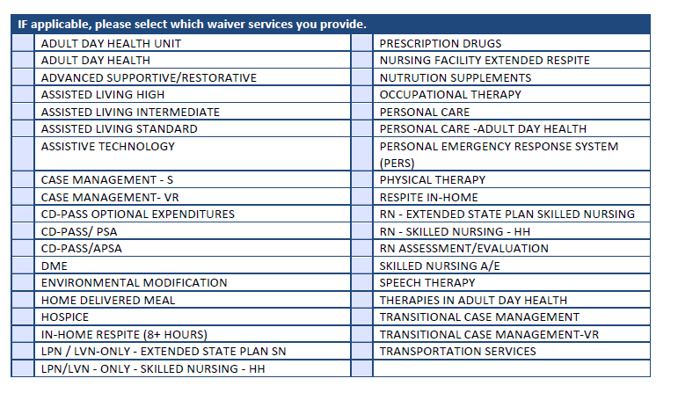
 | INSTRUCTIONS FOR FILLING OUT THE PROVIDER ROSTER

1 | If you would like to enroll one or more provider(s) to an existing group, then please fill this template and upload the same in attachment section under ‘Provider Roster’ document type in in online application page 3 ‘Enroll as a Provider’ page and submit it. * Please fill out the provider's information on the row below the header sections as shown on the graphic below.
2 | If you wish fill this template for more than one provider, then fill the data for each provider in a separate row.
3 | The columns that contain * sign are identified as required fields. You need to fill those fields in order for us to process your enrollment request.
4 | The columns that contain ** sign are identified as conditionally required fields. Please check the field in the previous column to understand if you need to input data for those ** field(s). Where required, please fill those fields in order for us to process your enrollment request.
5 | The hours of operation fields are required fields so please ensure to fill in appropriate details.

 |  | CONTINUE

6 | Waiver Services Reference List:

